Normalized
 | (P/S)2025 | (P/S)2024 | (P/S)2023 | (P/S)2022 | (P/S)2021 | (P/S)2020 | (P/S)2019 | (P/S)2018 | (P/S)2017 | (P/S)2016 | (P/S)2015 | (P/S)2014 | flattened
Adani Ports and Special Economic Zone Ltd | 0.06526535115 | 0 | 0.2699472975 | 0 | 0 | 0.5457163868 | 0.1939575928 | 0.2773011398 | 0.05055766638 | 0.1878293909 | 0 | 0.0861012379 | 0.06526535115
Asian Paints Ltd | 0.2625934551 | 0.1302242922 | 0.1314499326 | 0 | 0 | 0.1032602035 | 0.1608653021 | 0.2895575438 | 0.2368550067 | 0.3569677657 | 0.4023164604 | 0.567777914 | 0
AXIS Bank Ltd | 0.7442701311 | 0.7209829636 | 0.7025983576 | 0.6572496629 | 0.6682804265 | 0.8668341709 | 0.6364137762 | 0.7295624464 | 0.7540752543 | 0.7589778159 | 0.6168035298 | 0.799423949 | 0.2699472975
Bajaj Finserv Ltd | 0.7798137027 | 0.7822649835 | 0.7712342199 | 0.5861625199 | 0.7614290967 | 0.9085059444 | 0.7503983331 | 0.7651060179 | 0.7479470523 | 0.7209829636 | 0.716080402 | 0.8165829146 | 0
Bajaj Finance Ltd | 0.09590636107 | 0.07507047432 | 0.06771663194 | 0 | 0 | 0.4550189974 | 0 | 0.144931977 | 0.2834293418 | 0.4501164358 | 0.6057727663 | 0.8214854762 | 0
Bharat Electronics Ltd | 0 | 0.1817011889 | 0.5800343179 | 0.6633778649 | 0.8080034318 | 0.901152102 | 0.8435470033 | 0.6646035053 | 0.5788086775 | 0.5849368795 | 0.6094496875 | 0.901152102 | 0.5457163868
Bharti Airtel Ltd | 0.3618703272 | 0.4954651305 | 0.6989214365 | 0.6290599338 | 0.7271111656 | 0.7356906484 | 0.870511092 | 0.8398700821 | 0.8937982596 | 0.8950239 | 0.8717367324 | 0.8937982596 | 0.1939575928
HCL Technologies Ltd | 0.620480451 | 0.6057727663 | 0.716080402 | 0.620480451 | 0.638865057 | 0.8668341709 | 0.7736855007 | 0.7467214119 | 0.7516239735 | 0.620480451 | 0.6400906974 | 0.6731829881 | 0.2773011398
HDFC Bank Ltd | 0.5015933325 | 0.5506189484 | 0.3912856968 | 0.2907831842 | 0.2380806471 | 0.567777914 | 0.2920088246 | 0.3226498345 | 0.4194754259 | 0.5212035789 | 0.4243779875 | 0.537136904 | 0.05055766638
Hindustan Unilever Ltd | 0.0419781836 | 0.01746537566 | 0 | 0 | 0 | 0 | 0 | 0.07752175512 | 0.3459370021 | 0.3569677657 | 0.3483882829 | 0.5248805001 | 0.1878293909
ICICI Bank Ltd | 0.4415369531 | 0.4819830862 | 0.4525677166 | 0.4207010663 | 0.5199779385 | 0.7687829391 | 0.6351881358 | 0.7197573232 | 0.7479470523 | 0.7883931854 | 0.6646035053 | 0.716080402 | 0
Infosys Ltd | 0.5837112391 | 0.5775830371 | 0.5788086775 | 0.2662703763 | 0.364321608 | 0.7062752788 | 0.5947420027 | 0.6437676186 | 0.6547983822 | 0.5261061405 | 0.4893369285 | 0.6143522491 | 0.0861012379
ITC Ltd | 0.2380806471 | 0.1473832578 | 0.2491114107 | 0.4488907954 | 0.4035421007 | 0.5481676676 | 0.1510601789 | 0.191506312 | 0.09713200147 | 0.2466601299 | 0.2491114107 | 0.09835764187 | 0.2625934551
Kotak Mahindra Bank Ltd | 0.2674960167 | 0.299362667 | 0.07139355313 | 0 | 0 | 0.1645422233 | 0.02849613923 | 0.09835764187 | 0.191506312 | 0.3226498345 | 0.1400294154 | 0.459921559 | 0.1302242922
Larsen & Toubro Ltd | 0.8423213629 | 0.7847162642 | 0.8692854516 | 0.8778649344 | 0.8925726192 | 0.9771418066 | 0.8962495404 | 0.8839931364 | 0.907280304 | 0.9354700331 | 0.8594803285 | 0.9023777424 | 0.1314499326
Mahindra & Mahindra Ltd | 0.8435470033 | 0.882767496 | 0.9428238755 | 0.9514033583 | 0.9268905503 | 1 | 0.9869469298 | 0.966111043 | 0.9710136046 | 0.9673366834 | 0.9526289987 | 0.9771418066 | 0
Maruti Suzuki India Ltd | 0.7822649835 | 0.7295624464 | 0.811680353 | 0.7565265351 | 0.7124034808 | 0.8631572497 | 0.7859419046 | 0.6621522245 | 0.7454957715 | 0.8337418801 | 0.8031008702 | 0.9085059444 | 0
NTPC Ltd | 0.8472239245 | 0.8496752053 | 0.9550802794 | 0.9514033583 | 0.9587572006 | 0.9795930874 | 0.9085059444 | 0.8778649344 | 0.8680598113 | 0.8950239 | 0.8876700576 | 0.9195367079 | 0.1032602035
Power Grid Corporation of India Ltd | 0.3496139233 | 0.3839318544 | 0.6498958206 | 0.6278342934 | 0.7234342444 | 0.8031008702 | 0.7099522 | 0.6572496629 | 0.5812599583 | 0.6413163378 | 0.5457163868 | 0.6425419782 | 0.1608653021
Reliance Industries Ltd | 0.8533521265 | 0.7981983086 | 0.8521264861 | 0.7602034563 | 0.7332393676 | 0.9281161907 | 0.8987008212 | 0.9097315848 | 0.9158597867 | 0.9354700331 | 0.9930751318 | 0.9955264126 | 0.2895575438
State Bank of India | 0.901152102 | 0.8852187768 | 0.9097315848 | 0.8864444172 | 0.9293418311 | 0.9930751318 | 0.9342443927 | 0.953854639 | 0.9489520775 | 0.9893982106 | 0.9550802794 | 0.9795930874 | 0.2368550067
Sun Pharmaceutical Industries Ltd | 0.1020345631 | 0.08977815909 | 0.4145728643 | 0.376578012 | 0.5481676676 | 0.7577521755 | 0.5873881603 | 0.5212035789 | 0.4268292683 | 0.2245986028 | 0.126547371 | 0.1682191445 | 0.3569677657
Tata Motors Ltd | 1 | 0.966111043 | 1 | 0.9992033337 | 1 | 1 | 1 | 1 | 1 | 1 | 0.990623851 | 1 | 0.4023164604
Tata Steel Ltd | 0.9648854026 | 0.9685623238 | 1 | 0.9930751318 | 0.9967520529 | 1 | 1 | 1 | 1 | 1 | 1 | 1 | 0.567777914
Tata Consultancy Services Ltd | 0.4464395146 | 0.3569677657 | 0.4354087511 | 0.197634514 | 0.1951832332 | 0.5383625444 | 0.4452138742 | 0.531008702 | 0.5751317563 | 0.5138497365 | 0.4268292683 | 0.447665155 | 0.7442701311
Tech Mahindra Ltd | 0.7822649835 | 0.8129059934 | 0.8496752053 | 0.7111778404 | 0.7920701066 | 0.9085059444 | 0.8300649589 | 0.8484495649 | 0.9036033828 | 0.8815418556 | 0.7454957715 | 0.799423949 | 0.7209829636
Titan Company Ltd | 0.5199779385 | 0.2601421743 | 0.3961882584 | 0.1118396862 | 0.2883319034 | 0.5898394411 | 0.4464395146 | 0.4378600319 | 0.6940188749 | 0.7454957715 | 0.7148547616 | 0.811680353 | 0.7025983576
Trent Ltd | 0 | 0 | 0.3459370021 | 0 | 0 | 0.4734036034 | 0.5150753769 | 0.4194754259 | 0.4758548842 | 0.6658291457 | 0.8104547126 | 0.8962495404 | 0.6572496629
UltraTech Cement Ltd | 0.5261061405 | 0.5861625199 | 0.6462188994 | 0.6290599338 | 0.5395881848 | 0.8018752298 | 0.7491726927 | 0.6437676186 | 0.543265106 | 0.6413163378 | 0.6756342689 | 0.7332393676 | 0.6682804265
 |  |  |  |  |  |  |  |  |  |  |  |  | 0.8668341709
 |  |  |  |  |  |  |  |  |  |  |  |  | 0.6364137762
 |  |  |  |  |  |  |  |  |  |  |  |  | 0.7295624464
Global min | 0 |  |  |  |  |  |  |  |  |  |  |  | 0.7540752543
Global Max | 1 |  |  |  |  |  |  |  |  |  |  |  | 0.7589778159
 |  |  |  |  |  |  |  |  |  |  |  |  | 0.6168035298
 |  |  |  |  |  |  |  |  |  |  |  |  | 0.799423949
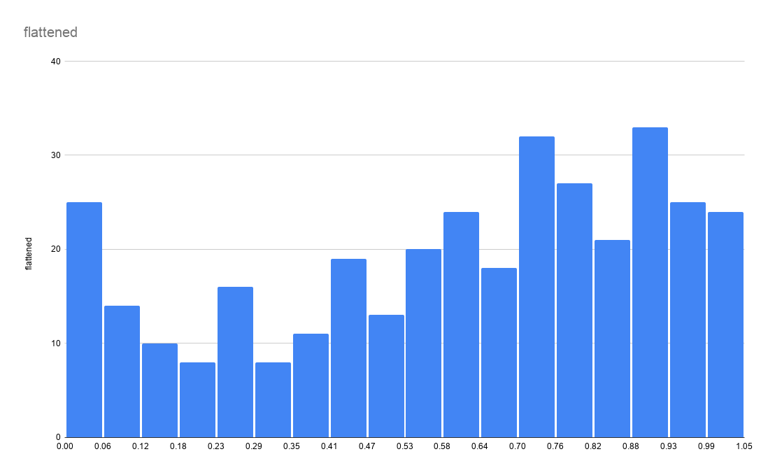
 |  |  |  |  |  |  |  |  |  |  |  |  | 0.7798137027
 |  |  |  |  |  |  |  |  |  |  |  |  | 0.7822649835
 |  |  |  |  |  |  |  |  |  |  |  |  | 0.7712342199
 |  |  |  |  |  |  |  |  |  |  |  |  | 0.5861625199
 |  |  |  |  |  |  |  |  |  |  |  |  | 0.7614290967
 |  |  |  |  |  |  |  |  |  |  |  |  | 0.9085059444
 |  |  |  |  |  |  |  |  |  |  |  |  | 0.7503983331
 |  |  |  |  |  |  |  |  |  |  |  |  | 0.7651060179
 |  |  |  |  |  |  |  |  |  |  |  |  | 0.7479470523
 |  |  |  |  |  |  |  |  |  |  |  |  | 0.7209829636
 |  |  |  |  |  |  |  |  |  |  |  |  | 0.716080402
 |  |  |  |  |  |  |  |  |  |  |  |  | 0.8165829146
 |  |  |  |  |  |  |  |  |  |  |  |  | 0.09590636107
 |  |  |  |  |  |  |  |  |  |  |  |  | 0.07507047432
 |  |  |  |  |  |  |  |  |  |  |  |  | 0.06771663194
 |  |  |  |  |  |  |  |  |  |  |  |  | 0
 |  |  |  |  |  |  |  |  |  |  |  |  | 0
 |  |  |  |  |  |  |  |  |  |  |  |  | 0.4550189974
 |  |  |  |  |  |  |  |  |  |  |  |  | 0
 |  |  |  |  |  |  |  |  |  |  |  |  | 0.144931977
 |  |  |  |  |  |  |  |  |  |  |  |  | 0.2834293418
 |  |  |  |  |  |  |  |  |  |  |  |  | 0.4501164358
 |  |  |  |  |  |  |  |  |  |  |  |  | 0.6057727663
 |  |  |  |  |  |  |  |  |  |  |  |  | 0.8214854762
 |  |  |  |  |  |  |  |  |  |  |  |  | 0
 |  |  |  |  |  |  |  |  |  |  |  |  | 0.1817011889
 |  |  |  |  |  |  |  |  |  |  |  |  | 0.5800343179
 |  |  |  |  |  |  |  |  |  |  |  |  | 0.6633778649
 |  |  |  |  |  |  |  |  |  |  |  |  | 0.8080034318
 |  |  |  |  |  |  |  |  |  |  |  |  | 0.901152102
 |  |  |  |  |  |  |  |  |  |  |  |  | 0.8435470033
 |  |  |  |  |  |  |  |  |  |  |  |  | 0.6646035053
 |  |  |  |  |  |  |  |  |  |  |  |  | 0.5788086775
 |  |  |  |  |  |  |  |  |  |  |  |  | 0.5849368795
 |  |  |  |  |  |  |  |  |  |  |  |  | 0.6094496875
 |  |  |  |  |  |  |  |  |  |  |  |  | 0.901152102
 |  |  |  |  |  |  |  |  |  |  |  |  | 0.3618703272
 |  |  |  |  |  |  |  |  |  |  |  |  | 0.4954651305
 |  |  |  |  |  |  |  |  |  |  |  |  | 0.6989214365
 |  |  |  |  |  |  |  |  |  |  |  |  | 0.6290599338
 |  |  |  |  |  |  |  |  |  |  |  |  | 0.7271111656
 |  |  |  |  |  |  |  |  |  |  |  |  | 0.7356906484
 |  |  |  |  |  |  |  |  |  |  |  |  | 0.870511092
 |  |  |  |  |  |  |  |  |  |  |  |  | 0.8398700821
 |  |  |  |  |  |  |  |  |  |  |  |  | 0.8937982596
 |  |  |  |  |  |  |  |  |  |  |  |  | 0.8950239
 |  |  |  |  |  |  |  |  |  |  |  |  | 0.8717367324
 |  |  |  |  |  |  |  |  |  |  |  |  | 0.8937982596
 |  |  |  |  |  |  |  |  |  |  |  |  | 0.620480451
 |  |  |  |  |  |  |  |  |  |  |  |  | 0.6057727663
 |  |  |  |  |  |  |  |  |  |  |  |  | 0.716080402
 |  |  |  |  |  |  |  |  |  |  |  |  | 0.620480451
 |  |  |  |  |  |  |  |  |  |  |  |  | 0.638865057
 |  |  |  |  |  |  |  |  |  |  |  |  | 0.8668341709
 |  |  |  |  |  |  |  |  |  |  |  |  | 0.7736855007
 |  |  |  |  |  |  |  |  |  |  |  |  | 0.7467214119
 |  |  |  |  |  |  |  |  |  |  |  |  | 0.7516239735
 |  |  |  |  |  |  |  |  |  |  |  |  | 0.620480451
 |  |  |  |  |  |  |  |  |  |  |  |  | 0.6400906974
 |  |  |  |  |  |  |  |  |  |  |  |  | 0.6731829881
 |  |  |  |  |  |  |  |  |  |  |  |  | 0.5015933325
 |  |  |  |  |  |  |  |  |  |  |  |  | 0.5506189484
 |  |  |  |  |  |  |  |  |  |  |  |  | 0.3912856968
 |  |  |  |  |  |  |  |  |  |  |  |  | 0.2907831842
 |  |  |  |  |  |  |  |  |  |  |  |  | 0.2380806471
 |  |  |  |  |  |  |  |  |  |  |  |  | 0.567777914
 |  |  |  |  |  |  |  |  |  |  |  |  | 0.2920088246
 |  |  |  |  |  |  |  |  |  |  |  |  | 0.3226498345
 |  |  |  |  |  |  |  |  |  |  |  |  | 0.4194754259
 |  |  |  |  |  |  |  |  |  |  |  |  | 0.5212035789
 |  |  |  |  |  |  |  |  |  |  |  |  | 0.4243779875
 |  |  |  |  |  |  |  |  |  |  |  |  | 0.537136904
 |  |  |  |  |  |  |  |  |  |  |  |  | 0.0419781836
 |  |  |  |  |  |  |  |  |  |  |  |  | 0.01746537566
 |  |  |  |  |  |  |  |  |  |  |  |  | 0
 |  |  |  |  |  |  |  |  |  |  |  |  | 0
 |  |  |  |  |  |  |  |  |  |  |  |  | 0
 |  |  |  |  |  |  |  |  |  |  |  |  | 0
 |  |  |  |  |  |  |  |  |  |  |  |  | 0
 |  |  |  |  |  |  |  |  |  |  |  |  | 0.07752175512
 |  |  |  |  |  |  |  |  |  |  |  |  | 0.3459370021
 |  |  |  |  |  |  |  |  |  |  |  |  | 0.3569677657
 |  |  |  |  |  |  |  |  |  |  |  |  | 0.3483882829
 |  |  |  |  |  |  |  |  |  |  |  |  | 0.5248805001
 |  |  |  |  |  |  |  |  |  |  |  |  | 0.4415369531
 |  |  |  |  |  |  |  |  |  |  |  |  | 0.4819830862
 |  |  |  |  |  |  |  |  |  |  |  |  | 0.4525677166
 |  |  |  |  |  |  |  |  |  |  |  |  | 0.4207010663
 |  |  |  |  |  |  |  |  |  |  |  |  | 0.5199779385
 |  |  |  |  |  |  |  |  |  |  |  |  | 0.7687829391
 |  |  |  |  |  |  |  |  |  |  |  |  | 0.6351881358
 |  |  |  |  |  |  |  |  |  |  |  |  | 0.7197573232
 |  |  |  |  |  |  |  |  |  |  |  |  | 0.7479470523
...

